Summative
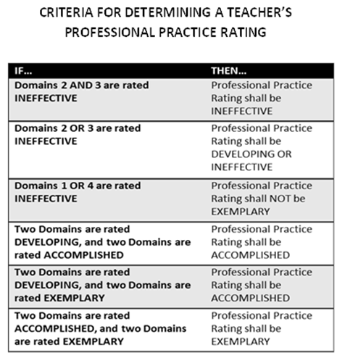
Library/Media Specialist:
Cycle:
MINI #1 |  | MINI #2
1A: Demonstrating Knowledge of Content Curriculum and Process | Select Rating | 1A: Demonstrating Knowledge of Content Curriculum and Process | Select Rating
1B: Demonstrating Knowledge of Students | Select Rating | 1B: Demonstrating Knowledge of Students | Select Rating
1C: Supporting Instructional Goals | Select Rating | 1C: Supporting Instructional Goals | Select Rating
1D: Demonstrating Knowledge and Use of Resources | Select Rating | 1D: Demonstrating Knowledge and Use of Resources | Select Rating
1E: Demonstrating Knowledge of Literature and Lifelong Learning | Select Rating | 1E: Demonstrating Knowledge of Literature and Lifelong Learning | Select Rating
1F: Collaborating in the Design of Instructional Experiences | Select Rating | 1F: Collaborating in the Design of Instructional Experiences | Select Rating
Overall Rating for Domain 1: Use evidences from pre and post conferences | Select Rating | Overall Rating for Domain 1: Use evidences from pre and post conferences | Select Rating
2A: Creating an Environment of Respect and Rapport | Select Rating | 2A: Creating an Environment of Respect and Rapport | Select Rating
2B: Establishing a Culture for Learning | Select Rating | 2B: Establishing a Culture for Learning | Select Rating
2C: Managing Library Procedures | Select Rating | 2C: Managing Library Procedures | Select Rating
2D: Managing Student Behavior | Select Rating | 2D: Managing Student Behavior | Select Rating
2E: Organizing Physical Space | Select Rating | 2E: Organizing Physical Space | Select Rating
Overall Rating for Domain 2 | Select Rating | Overall Rating for Domain 2 | Select Rating
3A: Communicating Clearly and Accurately | Select Rating | 3A: Communicating Clearly and Accurately | Select Rating
3B: Using Questioning and Research Techniques | Select Rating | 3B: Using Questioning and Research Techniques | Select Rating
3C: Engaging Students in Learning | Select Rating | 3C: Engaging Students in Learning | Select Rating
3D: Assessment in Instruction | Select Rating | 3D: Assessment in Instruction | Select Rating
3E: Demonstrating Flexibility and Responsiveness | Select Rating | 3E: Demonstrating Flexibility and Responsiveness | Select Rating
Overall Rating for Domain 3 | Select Rating | Overall Rating for Domain 3 | Select Rating
4A: Reflecting on Practice | Select Rating | 4A: Reflecting on Practice | Select Rating
4B: Maintaining Accurate Records | Select Rating | 4B: Maintaining Accurate Records | Select Rating
4C: Communicating with School Staff and Community | Select Rating | 4C: Communicating with School Staff and Community | Select Rating
4D: Participating in a Professional Community | Select Rating | 4D: Participating in a Professional Community | Select Rating
4E: Growing and Developing Professionally | Select Rating | 4E: Growing and Developing Professionally | Select Rating
4F: Collection Development and Maintenance | Select Rating | 4F: Collection Development and Maintenance | Select Rating
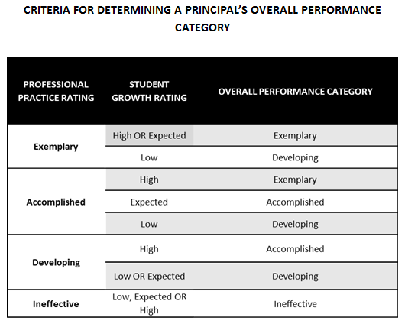
Overall Rating for Domain 4: Use evidences from pre and post conferences | Select Rating | Overall Rating for Domain 4: Use evidences from pre and post conferences | Select Rating

FULL
1A: Demonstrating Knowledge of Content Curriculum and Process | Select Rating | Professional Practice Rating (Domain) | Rating
1B: Demonstrating Knowledge of Students | Select Rating | Domain 1: Planning and Preparation | Select Rating
1C: Supporting Instructional Goals | Select Rating | Domain 2: The Library Environment | Select Rating
1D: Demonstrating Knowledge and Use of Resources | Select Rating | Domain 3: Instruction/Delivery of Service | Select Rating
1E: Demonstrating Knowledge of Literature and Lifelong Learning | Select Rating | Domain 4: Professional Responsibilities | Select Rating
1F: Collaborating in the Design of Instructional Experiences | Select Rating
Overall Rating for Domain 1: Use evidences from pre and post conferences | Select Rating | Overall Practice Rating (Summative) | Rating
2A: Creating an Environment of Respect and Rapport | Select Rating | Professional Practice Rating | Select Rating
2B: Establishing a Culture for Learning | Select Rating
2C: Managing Library Procedures | Select Rating | Student Growth Goals | Rating
2D: Managing Student Behavior | Select Rating | Year 1 | Select Rating
2E: Organizing Physical Space | Select Rating | Year 2 | Select Rating
Overall Rating for Domain 2 | Select Rating | Year 3 | Select Rating
3A: Communicating Clearly and Accurately | Select Rating
3B: Using Questioning and Research Techniques | Select Rating | Growth Rating | Rating
3C: Engaging Students in Learning | Select Rating | Overall Growth Rating | Select Rating
3D: Assessment in Instruction | Select Rating
3E: Demonstrating Flexibility and Responsiveness | Select Rating
Overall Rating for Domain 3 | Select Rating | Overall Performance Category | Select Rating
4A: Reflecting on Practice | Select Rating
4B: Maintaining Accurate Records | Select Rating
4C: Communicating with School Staff and Community | Select Rating
4D: Participating in a Professional Community | Select Rating
4E: Growing and Developing Professionally | Select Rating
4F: Collection Development and Maintenance | Select Rating
Overall Rating for Domain 4: Use evidences from pre and post conferences | Select Rating

I have participated in a pre- and/or post-observation conference (as required by my district evaluation plan) and have received a copy of this observation document.

Guidance Counselor: | Date:
Observer: | Date:

